Instructions
Instructions to search

Click the drop-down arrow located in the column on row 1
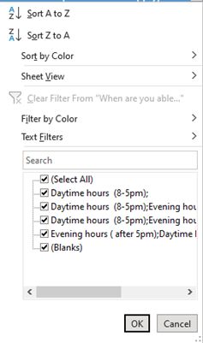

In the search field type what you are looking for and hit OK

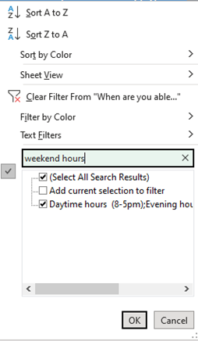

Your search will show all the providers who fit your search criteria.

You can search any of the columns with just a key word

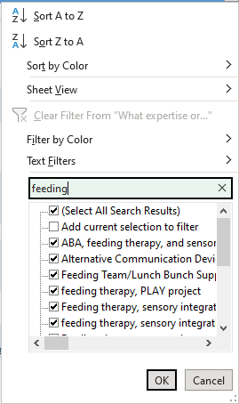

Be sure to clear the filter when you are done to have access to all of the providers with your next search

